PRODUCT CATALOGUE
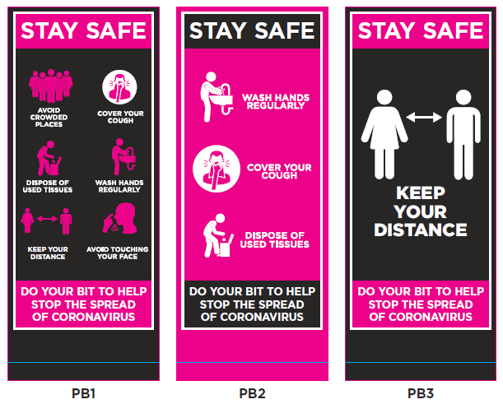
COVID-19 Phased Return Signage for Schools
Examples for consideration

Outdoor Social Distance Signage – for display at school entrances and vicinity

1) Stay Safe Poster A2 (594mm x 420mm) printed on white correx board with punched corner holes. Supplied with cable ties.

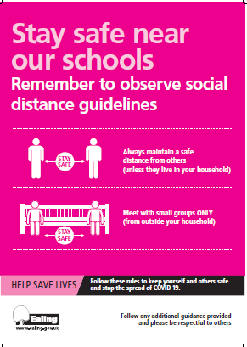

2) Stay Safe Banner 2000mm x 1000mm printed on white reinforced exterior grade vinyl, hemmed and finished with metal eyelets at each corner and at 0.5m intervals. Supplied with cable ties.

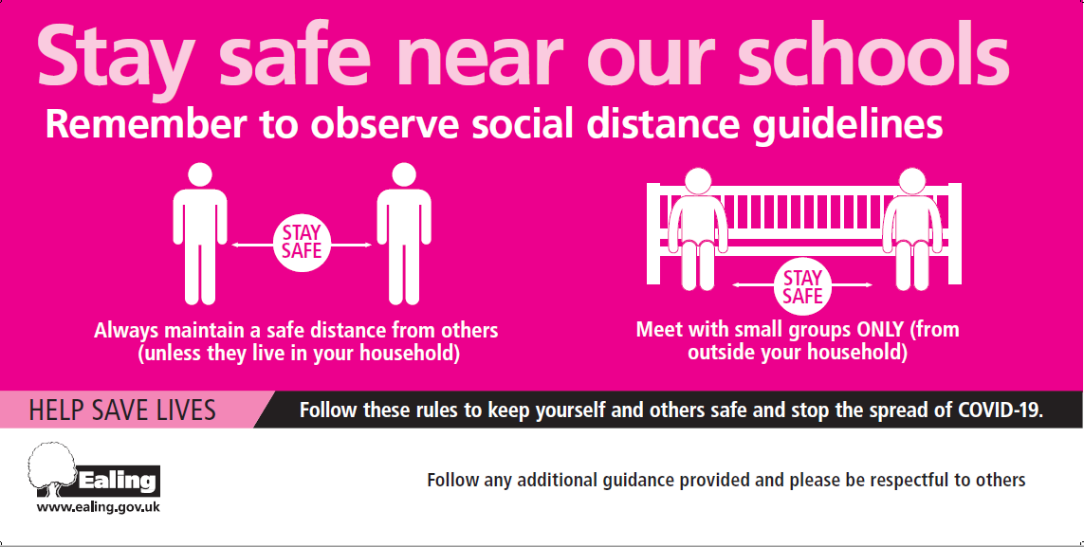

Social Distance laminated poster – for display at or near school entrance

3) Social Distancing notice suitable as poster for indoors or outdoors at school entrances for staff and visitors.
Offered in three sizes:
A3 (420mm x 297mm) with laminated (wipeable) surface
or
A2 (594mm x 420mm) with laminated (wipeable) surface
or
To fit A-Frame size (762mm x 508mm) suitable for path or pavement display (unlaminated).

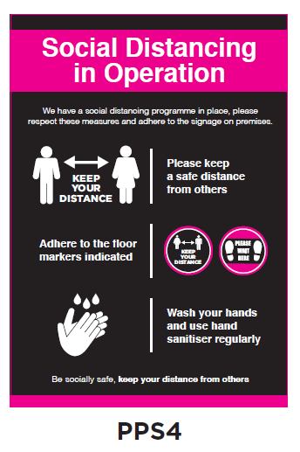

Health & Safety signs

4-9) Available as A3 (420mm x 297mm) or A4 (297mm x 210mm) posters, laminated (wipeable) notices.

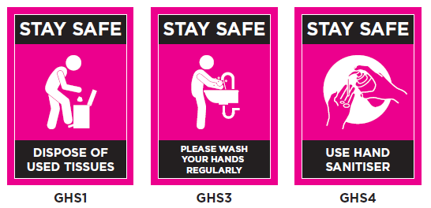

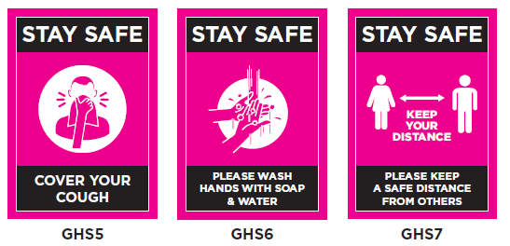

10-11) Washroom stickers

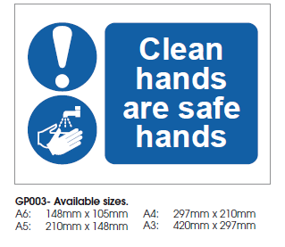

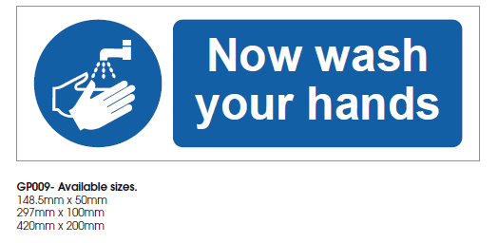

Floor stickers various

12-18) Circular stickers. Size 300mm diameter. Available in two finishes: suitable for application outdoors on concrete, or indoors on solid floor.

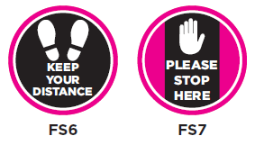
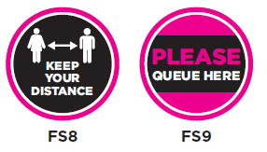

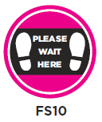
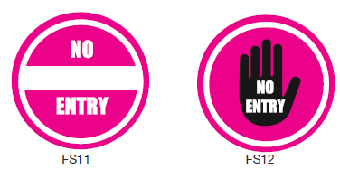

19-25) Rectangular, square & arrow stickers, various sizes. Available in two finishes: suitable for application outdoors on concrete, or indoors on solid floor.
Sizes: FS16 & FS20 - 1000mm x 115mm; FS19 & FS23 - 550mm x 300mm; FS21 - 700mm x 300mm; FS22 - 300mm x 300mm; FS27 - 230mm x 300mm.



26) Stand behind this line sticker 100mm x 600mm

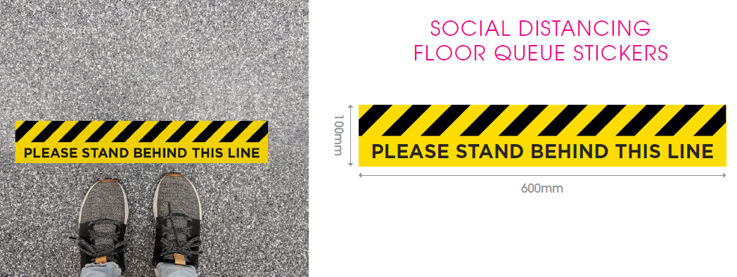

Pull Up Banners

27-29) A way to provide large, clear and moveable means to display hygiene and informative messages. Available in 2000mm high x 850mm wide format.
(NB. Portion of graphic under blue line will not be visible, as this goes inside banner mechanism.)

